6b. eGRID Map
eGRID Map, U.S. Environmental Protection Agency
GHG Form 6b, February 14, 2020 | http://www.epa.gov/cleanenergy/energy-and-you/how-clean.html
Inventory Year - 2020

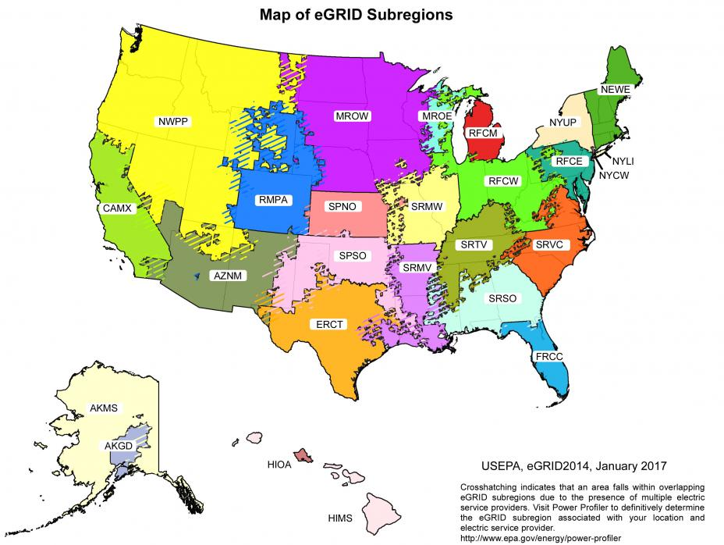

 |  | b

